Dashboard Visualisation
MUTUAL FUNDS COMPARATIVE ANALYSIS

Return Vs Expense Ratio
 | Sum of 1 Year | Sum of 3 Year | Sum of 5 Year | Sum of Expense Ratio
AXIS BLUECHIP FUND | 7.49% | 12.17% | 18.17% | 0.70%
AXIS FLEXI CAP FUND | 8.32% | 13.55% | 19.88% | 0.72%
⁠EDELWEISS MIDCAP FUND | 15.15% | 25.34% | 34.97% | 0.39%
HDFC FLEXI CAP FUND | 16.52% | 24.38% | 32.08% | 0.81%
HDFC MIDCAP OPPORTUNITIES FUND | 8.48% | 25.59% | 34.22% | 0.89%
HDFC SMALL CAP FUND | -1.29% | 20.82% | 35.74% | 0.93%
⁠HDFC TOP 100 FUND | 6.44% | 17.93% | 25.30% | 0.99%
⁠HSBC MIDCAP FUND | 4.81% | 21.45% | 27.91% | 0.70%
HSBC SMALL CAP FUND | -2.72% | 19.02% | 36.62% | 0.64%
ICICI PRUDENTIAL Bluechip Fund | 9.37% | 19.18% | 26.18% | 0.89%
ICICI PRUDENTIAL NIFTY NEXT 50 INDEX FUND | -2.19% | 15.29% | 23.08% | 0.31%
KOTAK BLUECHIP FUND | 9.87% | 16.48% | 24.24% | 0.62%
KOTAK FLEXI CAP FUND | 7.61% | 17.10% | 23.67% | 0.64%
⁠MIRAE ASSET LARGE CAP FUND | 10.30% | 13.54% | 22.10% | 0.74%
⁠MOTILAL OSWAL MIDCAP FUND | 14.96% | 28.51% | 38.60% | 0.63%
⁠NIPPON INDIA GROWTH FUND | 9.84% | 24.75% | 34.81% | 0.74%
NIPPON INDIA SMALL CAP FUND | 0.41% | 22.67% | 39.61% | 0.73%
PARAG PARIKH FLEXI CAP FUND | 12.74% | 20.50% | 29.36% | 0.63%
QUANT SMALL CAP FUND | -5.50% | 22.87% | 48.81% | 0.69%
⁠SBI BLUE CHIP FUND | 10.49% | 15.38% | 23.54% | 0.83%
SBI NIFTY INDEX FUND | 8.50% | 13.60% | 22.28% | 0.22%
SBI SMALL CAP FUND | 0.01% | 16.28% | 30.52% | 0.72%
TATA SMALL CAP FUND | 1.26% | 21.37% | 36.26% | 0.30%
⁠UTI MASTERSHARE FUND (UTI LARGE CAP FUND) | 8.98% | 13.38% | 21.93% | 0.94%
UTI NIFTY 50 INDEX FUND | 8.53% | 13.62% | 22.34% | 0.17%
Average Sharp Ratio Per Fund Manager
 | Total
Aman Kalkundrikar, Chirag Setalvad | 5.2
Amar Kalkundrikar, Chirag Setalvad | 4.33
Amar Kalkundrikar, Rahul Baijal | 3.51
Anish Tawakley, Vaibhav Dusad | 4.03
ChandraPrakash Padiyar, Jeetendra Khatri | 6.8
Gaurav Mishra | -0.62
Harsha Upadhyaya | 1.77
Karthikraj Lakshmanan | -1.54
Mohan Lal, Rama Iyer Srinivasan | 1.34
Niket Shah, Rakesh Shetty, Ajay Khandelwal | 8.45
Nishit Patel, Ashwini Shinde, Ajay Kumar Solanki | 1.07
Raj Mehta, Rajeev Thakkar, Rukun Tarachandani, Mansi Kariya | 5.91
Ravi Prakash Sharma | -0.52
Rohit Tandon | 1.49
Roshi Jain | 8.98
Rupesh Patel | 3.3
Sachin Relekar | -2.38
Samir Rach | 4.8
Sanjeev Sharma, Ankit A Pande, Sandeep Tandon, Varun Pattani, Ayush Kumbhat, Sameer Kate | 4.57
Saurabh Pant | 1.13
Sharwan Kumar Goyal, Ayush Jain | -1.08
Shreyash Devalkar, Jayesh Sundar | -2.81
Trideep Bhattacharya, Raj Koradia, Dhruv Bhatia | 3.44
Venugopal Manghat, Cheenu Gupta | 1.105
Average Alpha Per Fund Manager
 | Total
Aman Kalkundrikar, Chirag Setalvad | 5.2
Amar Kalkundrikar, Chirag Setalvad | 4.33
Amar Kalkundrikar, Rahul Baijal | 3.51
Anish Tawakley, Vaibhav Dusad | 4.03
ChandraPrakash Padiyar, Jeetendra Khatri | 6.8
Gaurav Mishra | -0.62
Harsha Upadhyaya | 1.77
Karthikraj Lakshmanan | -1.54
Mohan Lal, Rama Iyer Srinivasan | 1.34
Niket Shah, Rakesh Shetty, Ajay Khandelwal | 8.45
Nishit Patel, Ashwini Shinde, Ajay Kumar Solanki | 1.07
Raj Mehta, Rajeev Thakkar, Rukun Tarachandani, Mansi Kariya | 5.91
Ravi Prakash Sharma | -0.52
Rohit Tandon | 1.49
Roshi Jain | 8.98
Rupesh Patel | 3.3
Sachin Relekar | -2.38
Samir Rach | 4.8
Sanjeev Sharma, Ankit A Pande, Sandeep Tandon, Varun Pattani, Ayush Kumbhat, Sameer Kate | 4.57
Saurabh Pant | 1.13
Sharwan Kumar Goyal, Ayush Jain | -1.08
Shreyash Devalkar, Jayesh Sundar | -2.81
Trideep Bhattacharya, Raj Koradia, Dhruv Bhatia | 3.44
Venugopal Manghat, Cheenu Gupta | 1.105
Fund category vs Avg Sharpe Ratios
 | Total
Flexi Fund | 0.81
Index Fund | 0.49333333333
Large Cap Fund | 0.55285714286
Mid Cap Fund | 0.998
Small Cap Fund | 0.81166666667

Expense Ratio Comparison
 | Total
AXIS BLUECHIP FUND | 0.70%
AXIS FLEXI CAP FUND | 0.72%
⁠EDELWEISS MIDCAP FUND | 0.39%
HDFC FLEXI CAP FUND | 0.81%
HDFC MIDCAP OPPORTUNITIES FUND | 0.89%
HDFC SMALL CAP FUND | 0.93%
⁠HDFC TOP 100 FUND | 0.99%
⁠HSBC MIDCAP FUND | 0.70%
HSBC SMALL CAP FUND | 0.64%
ICICI PRUDENTIAL Bluechip Fund | 0.89%
ICICI PRUDENTIAL NIFTY NEXT 50 INDEX FUND | 0.31%
KOTAK BLUECHIP FUND | 0.62%
KOTAK FLEXI CAP FUND | 0.64%
⁠MIRAE ASSET LARGE CAP FUND | 0.74%
⁠MOTILAL OSWAL MIDCAP FUND | 0.63%
⁠NIPPON INDIA GROWTH FUND | 0.74%
NIPPON INDIA SMALL CAP FUND | 0.73%
PARAG PARIKH FLEXI CAP FUND | 0.63%
QUANT SMALL CAP FUND | 0.69%
⁠SBI BLUE CHIP FUND | 0.83%
SBI NIFTY INDEX FUND | 0.22%
SBI SMALL CAP FUND | 0.72%
TATA SMALL CAP FUND | 0.30%
⁠UTI MASTERSHARE FUND (UTI LARGE CAP FUND) | 0.94%
UTI NIFTY 50 INDEX FUND | 0.17%
NAV Trend
 | Total
Aggressive | 6
Balanced | 10
Mild | 3
Strong | 6
Return OverTime
 | Sum of 1 Year | Sum of 3 Year | Sum of 5 Year
AXIS BLUECHIP FUND | 7.49% | 12.17% | 18.17%
AXIS FLEXI CAP FUND | 8.32% | 13.55% | 19.88%
⁠EDELWEISS MIDCAP FUND | 15.15% | 25.34% | 34.97%
HDFC FLEXI CAP FUND | 16.52% | 24.38% | 32.08%
HDFC MIDCAP OPPORTUNITIES FUND | 8.48% | 25.59% | 34.22%
HDFC SMALL CAP FUND | -1.29% | 20.82% | 35.74%
⁠HDFC TOP 100 FUND | 6.44% | 17.93% | 25.30%
⁠HSBC MIDCAP FUND | 4.81% | 21.45% | 27.91%
HSBC SMALL CAP FUND | -2.72% | 19.02% | 36.62%
ICICI PRUDENTIAL Bluechip Fund | 9.37% | 19.18% | 26.18%
ICICI PRUDENTIAL NIFTY NEXT 50 INDEX FUND | -2.19% | 15.29% | 23.08%
KOTAK BLUECHIP FUND | 9.87% | 16.48% | 24.24%
KOTAK FLEXI CAP FUND | 7.61% | 17.10% | 23.67%
⁠MIRAE ASSET LARGE CAP FUND | 10.30% | 13.54% | 22.10%
⁠MOTILAL OSWAL MIDCAP FUND | 14.96% | 28.51% | 38.60%
⁠NIPPON INDIA GROWTH FUND | 9.84% | 24.75% | 34.81%
NIPPON INDIA SMALL CAP FUND | 0.41% | 22.67% | 39.61%
PARAG PARIKH FLEXI CAP FUND | 12.74% | 20.50% | 29.36%
QUANT SMALL CAP FUND | -5.50% | 22.87% | 48.81%
⁠SBI BLUE CHIP FUND | 10.49% | 15.38% | 23.54%
SBI NIFTY INDEX FUND | 8.50% | 13.60% | 22.28%
SBI SMALL CAP FUND | 0.01% | 16.28% | 30.52%
TATA SMALL CAP FUND | 1.26% | 21.37% | 36.26%
⁠UTI MASTERSHARE FUND (UTI LARGE CAP FUND) | 8.98% | 13.38% | 21.93%
UTI NIFTY 50 INDEX FUND | 8.53% | 13.62% | 22.34%

Sharp Ratio Comparison
 | Total
AXIS BLUECHIP FUND | 0.28
AXIS FLEXI CAP FUND | 0.35
⁠EDELWEISS MIDCAP FUND | 0.98
HDFC FLEXI CAP FUND | 1.23
HDFC MIDCAP OPPORTUNITIES FUND | 1.12
HDFC SMALL CAP FUND | 0.85
⁠HDFC TOP 100 FUND | 0.76
⁠HSBC MIDCAP FUND | 0.78
HSBC SMALL CAP FUND | 0.67
ICICI PRUDENTIAL Bluechip Fund | 0.81
ICICI PRUDENTIAL NIFTY NEXT 50 INDEX FUND | 0.51
KOTAK BLUECHIP FUND | 0.61
KOTAK FLEXI CAP FUND | 0.64
⁠MIRAE ASSET LARGE CAP FUND | 0.45
⁠MOTILAL OSWAL MIDCAP FUND | 1.12
⁠NIPPON INDIA GROWTH FUND | 0.99
NIPPON INDIA SMALL CAP FUND | 0.87
PARAG PARIKH FLEXI CAP FUND | 1.02
QUANT SMALL CAP FUND | 0.82
⁠SBI BLUE CHIP FUND | 0.58
SBI NIFTY INDEX FUND | 0.55
SBI SMALL CAP FUND | 0.67
TATA SMALL CAP FUND | 0.99
⁠UTI MASTERSHARE FUND (UTI LARGE CAP FUND) | 0.38
UTI NIFTY 50 INDEX FUND | 0.42

Risk based Portfolios
Risk Based Portfolios

1. Low Risk Profile Portfolio

Respondent Details |  |  |  | Investment Objectives
· Age: 18–24 years |  |  |  | · Start small, build financial discipline.
· Occupation: Student (College/University) |  |  |  | · Prefer funds with lower volatility, reasonable returns, and low expense ratios.
· Monthly Investment Budget: < ₹5,000 |  |  |  | · Include exposure to growth sectors through diversified equity.
· Annual Income: < ₹3,00,000
· Risk Understanding: Not confident

Recommended Portfolio Allocation (Total: ₹5,000/month)

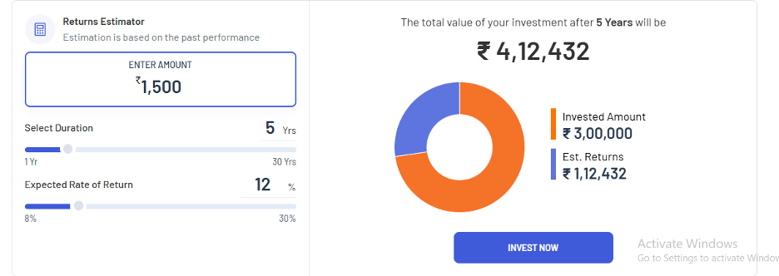
Fund Type | CAGR | Fund Name | % Allocation | ₹ Amount | Why Chosen
Index Fund | 12% | SBI Nifty Index Fund | 30% | ₹1,500 | Low-cost, broad market exposure, low risk (Beta: 0.94, ER: 0.22%) | 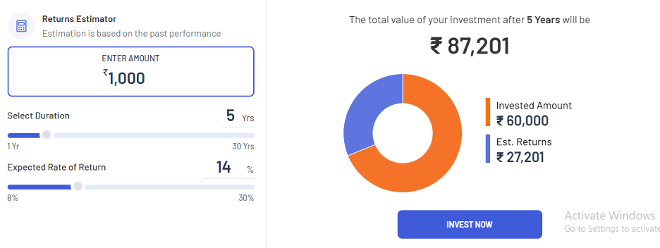 | 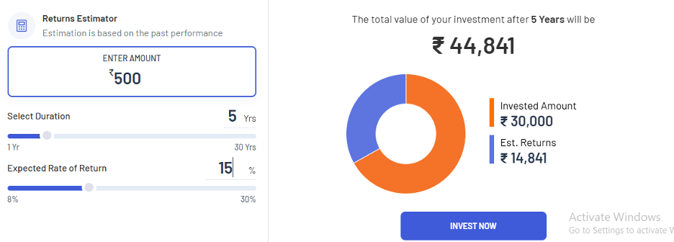
Flexi Cap | 13% | Parag Parikh Flexi Cap Fund | 25% | ₹1,250 | Strong Sharpe (1.02), diversified exposure, lower volatility (Std Dev 10.64%)
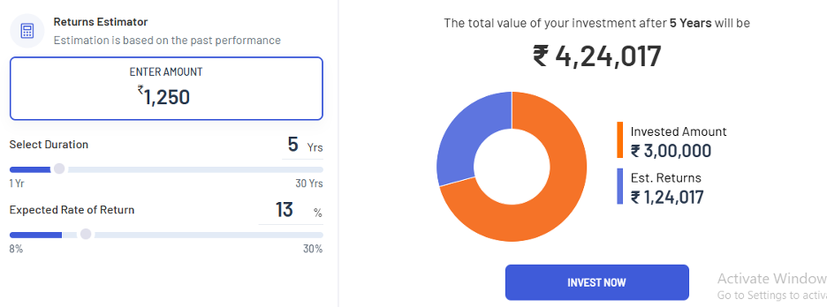
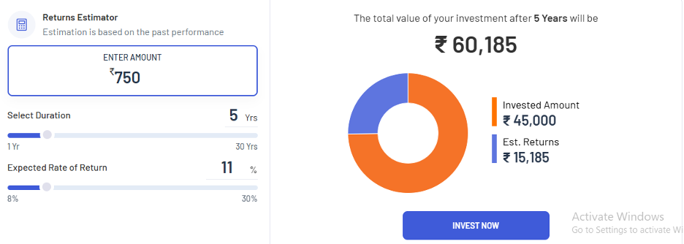
Mid Cap | 14% | Edelweiss Midcap Fund | 20% | ₹1,000 | Balanced risk-reward, decent Alpha (3.44), lowest ER (0.39%)
Large Cap | 11% | ICICI Prudential Bluechip Fund | 15% | ₹750 | Stable, consistent performer, good Alpha (4.03), solid 5-year returns
Small Cap | 15% | Tata Small Cap Fund | 10% | ₹500 | Aggressive growth potential, excellent Alpha (6.8), small exposure due to risk

Portfolio Highlights
· Blended Risk: Large cap + index for stability; mid & small cap for growth.
· Low Expense Ratios: Helps protect long-term returns.
· Diversified Exposure: Across sectors and fund styles.
· Growth Focused: While maintaining the respondent's comfort zone

2. Moderate to High Risk Profile

Respondent Details |  |  |  | Investment Objectives
· Age: 25–34 years |  |  |  | · Wants to create wealth from a long term investment .
· Occupation: Private Sector Job |  |  |  | · Wants handsome returns without a large volatility in returns
· Monthly Investment Budget: ₹5,000 – ₹10,000 |  |  |  | · Can incur small losses in short time as she knows
· Annual Income: ₹7,00,000 – ₹15,00,000 |  |  |  | that it will be covered in long term , and she has confidence
· Risk Understanding: Somewhat confident |  |  |  | in mutual funds.

This respondent is not extremely aggressive, but has enough financial capacity,
time horizon, and knowledge to take on market volatility.

Recommended Portfolio Allocation (Total: ₹8,000/month)
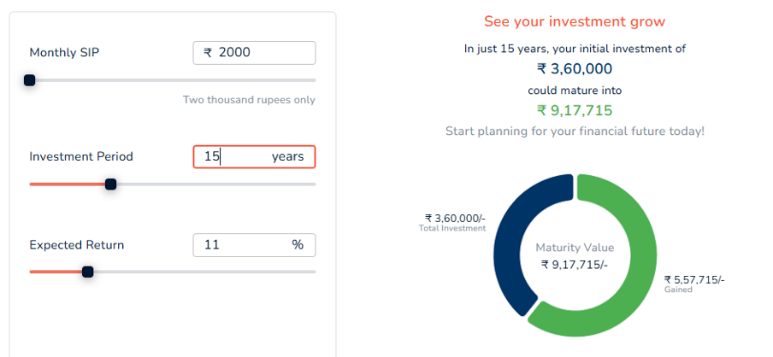
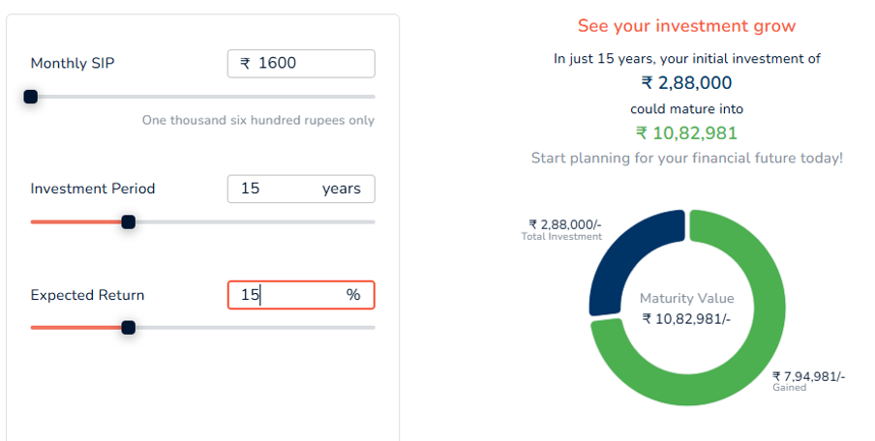
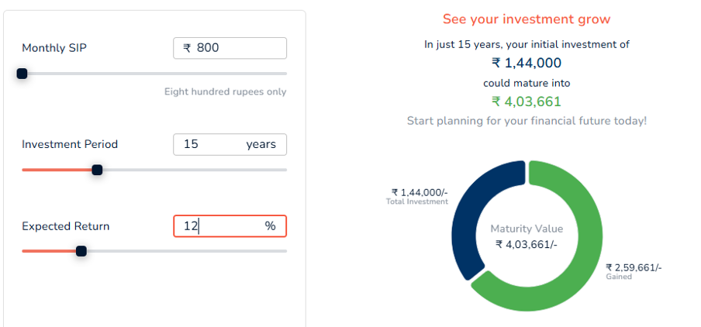
Fund Type |  | Fund Name | % Allocation | ₹ Amount | Why Chosen
Large Cap | 11% | Mirae Asset Large Cap Fund | 25% | ₹2,000 | Balanced large-cap exposure with strong track record.
Mid Cap | 14% | HDFC Midcap Opportunities Fund | 20% | ₹1,600 | Veteran performer, relatively stable in midcap space.
Small Cap | 15% | SBI Small Cap Fund | 20% | ₹1,600 | Solid growth potential, proven track record.
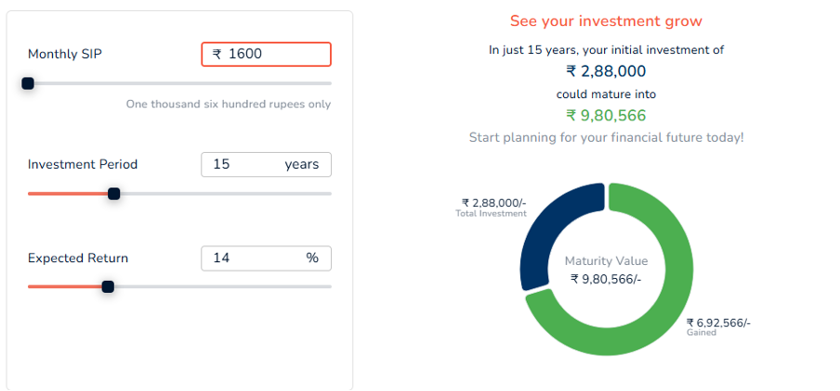
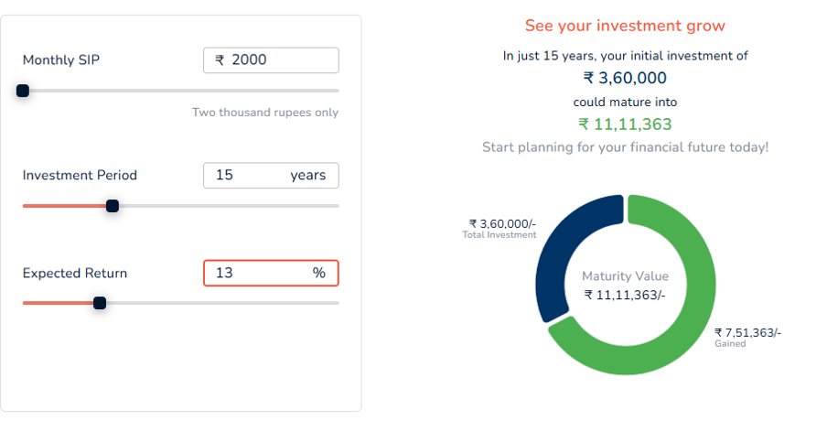
Flexi Cap | 13% | Parag Parikh Flexi Cap Fund | 25% | ₹2,000 | Offers global diversification and strong fund management.
Index Fund | 12% | ICICI Prudential Nifty Next 50 Index Fund | 10% | ₹800 | Passive bet on emerging large caps—higher risk/reward than Nifty 50.

Portfolio Highlights
· Balanced risk allocation with large cap and index funds for stability, and mid/small caps for long-term growth.
· Fits financial capacity with an ₹8,000 SIP aligned to income and risk comfort of a young private-sector professional.
· Global and style diversification through Parag Parikh Flexi Cap, reducing market-specific risk.
· Low-cost structure with index exposure helping to optimize long-term returns.

2. High Risk Profile |  |  |  | Investment Objectives
· Age: 18–24 years |  |  |  | · Build wealth through disciplined investing
· Occupation: Student (College/University) |  |  |  | · Long-term capital appreciation with equity focus
· Monthly Investment Budget: ₹5,000 – ₹10,000 |  |  |  | · Comfortable with volatility and looking for higher returns
· Annual Income: ₹7,00,000 – ₹15,00,000 |  |  |  | · Seeks to understand and track fund performance and portfolio strategy
· Risk Understanding: High risk tolerance

Recommended Portfolio Allocation (Total: ₹10,000/month)

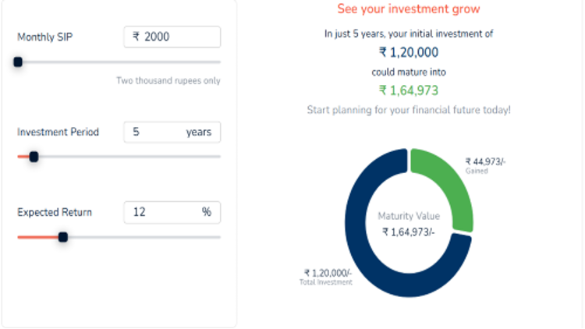
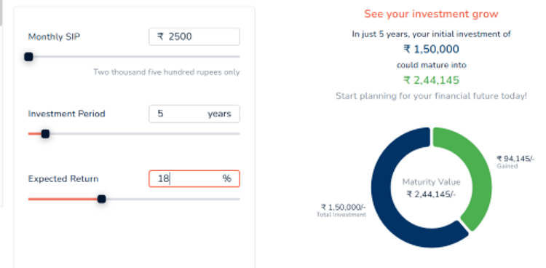
Fund Type | CAGR | Fund Name | % Allocation | ₹ Amount | Why Chosen
Index Fund | 12% | SBI Nifty Index Fund | 20% | ₹2,000 | Low-cost, broad market exposure, good base fund (ER: 0.20%)
Flexi Cap | 13% | Parag Parikh Flexi Cap Fund | 20% | ₹2,000 | Diversified across global/domestic markets, steady performer
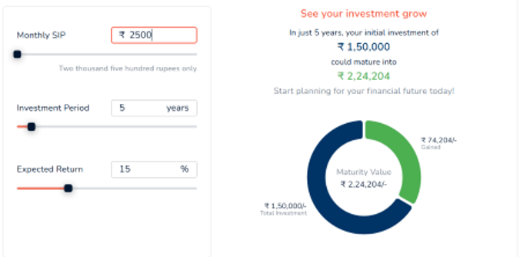
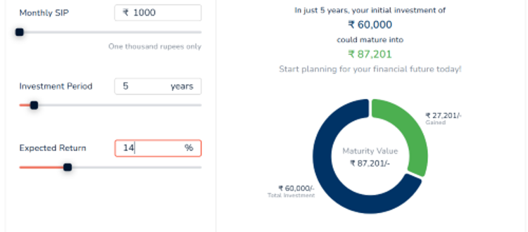
Mid Cap | 14% | Edelweiss Midcap Fund | 25% | ₹2,500 | Balanced mid-cap exposure, good historical returns
Small Cap | 18% | ICICI Prudential Bluechip Fund | 25% | ₹2,500 | Aggressive fund, suitable for long-term high growth potential
Thematic | 14-20% | Tata Small Cap Fund | 10% | ₹1,000 | Exposure to high-growth healthcare sector

Portfolio Highlights
· Equity Dominant: High-growth oriented with thematic exposure
· Young Investor Advantage: Long time horizon allows aggressive allocation
· Learning Focused: Interested in online learning, tracking, and evolving the strategy
· Tools & Platform: Uses Zerodha for SIPs and monitoring

Return Over Time
Row Labels | Sum of 1 Year | Sum of 3 Year | Sum of 5 Year
AXIS BLUECHIP FUND | 7.49% | 12.17% | 18.17%
AXIS FLEXI CAP FUND | 8.32% | 13.55% | 19.88%
⁠EDELWEISS MIDCAP FUND | 15.15% | 25.34% | 34.97%
HDFC FLEXI CAP FUND | 16.52% | 24.38% | 32.08%
HDFC MIDCAP OPPORTUNITIES FUND | 8.48% | 25.59% | 34.22%
HDFC SMALL CAP FUND | -1.29% | 20.82% | 35.74%
⁠HDFC TOP 100 FUND | 6.44% | 17.93% | 25.30%
⁠HSBC MIDCAP FUND | 4.81% | 21.45% | 27.91%
HSBC SMALL CAP FUND | -2.72% | 19.02% | 36.62%
ICICI PRUDENTIAL Bluechip Fund | 9.37% | 19.18% | 26.18%
ICICI PRUDENTIAL NIFTY NEXT 50 INDEX FUND | -2.19% | 15.29% | 23.08%
KOTAK BLUECHIP FUND | 9.87% | 16.48% | 24.24%
KOTAK FLEXI CAP FUND | 7.61% | 17.10% | 23.67%
⁠MIRAE ASSET LARGE CAP FUND | 10.30% | 13.54% | 22.10%
⁠MOTILAL OSWAL MIDCAP FUND | 14.96% | 28.51% | 38.60%
⁠NIPPON INDIA GROWTH FUND | 9.84% | 24.75% | 34.81%
NIPPON INDIA SMALL CAP FUND | 0.41% | 22.67% | 39.61%
PARAG PARIKH FLEXI CAP FUND | 12.74% | 20.50% | 29.36%
QUANT SMALL CAP FUND | -5.50% | 22.87% | 48.81%
⁠SBI BLUE CHIP FUND | 10.49% | 15.38% | 23.54%
SBI NIFTY INDEX FUND | 8.50% | 13.60% | 22.28%
SBI SMALL CAP FUND | 0.01% | 16.28% | 30.52%
TATA SMALL CAP FUND | 1.26% | 21.37% | 36.26%
⁠UTI MASTERSHARE FUND (UTI LARGE CAP FUND) | 8.98% | 13.38% | 21.93%
UTI NIFTY 50 INDEX FUND | 8.53% | 13.62% | 22.34%
Grand Total | 168.38% | 474.77% | 732.22%

Sharp Ratio Comparison
Row Labels | Sum of Sharpe Ratio
AXIS BLUECHIP FUND | 0.28
AXIS FLEXI CAP FUND | 0.35
⁠EDELWEISS MIDCAP FUND | 0.98
HDFC FLEXI CAP FUND | 1.23
Sharp Ratio Comparison
HDFC MIDCAP OPPORTUNITIES FUND | 1.12
HDFC SMALL CAP FUND | 0.85
⁠HDFC TOP 100 FUND | 0.76
⁠HSBC MIDCAP FUND | 0.78
HSBC SMALL CAP FUND | 0.67
ICICI PRUDENTIAL Bluechip Fund | 0.81
ICICI PRUDENTIAL NIFTY NEXT 50 INDEX FUND | 0.51
KOTAK BLUECHIP FUND | 0.61
KOTAK FLEXI CAP FUND | 0.64
⁠MIRAE ASSET LARGE CAP FUND | 0.45
⁠MOTILAL OSWAL MIDCAP FUND | 1.12
⁠NIPPON INDIA GROWTH FUND | 0.99
NIPPON INDIA SMALL CAP FUND | 0.87
PARAG PARIKH FLEXI CAP FUND | 1.02
QUANT SMALL CAP FUND | 0.82
⁠SBI BLUE CHIP FUND | 0.58
SBI NIFTY INDEX FUND | 0.55
SBI SMALL CAP FUND | 0.67
TATA SMALL CAP FUND | 0.99
⁠UTI MASTERSHARE FUND (UTI LARGE CAP FUND) | 0.38
UTI NIFTY 50 INDEX FUND | 0.42
Grand Total | 18.45

Expense Ratio Comparison
Row Labels | Sum of Expense Ratio
AXIS BLUECHIP FUND | 0.70%
AXIS FLEXI CAP FUND | 0.72%
⁠EDELWEISS MIDCAP FUND | 0.39%
HDFC FLEXI CAP FUND | 0.81%
Expense Ratio Comparison
HDFC MIDCAP OPPORTUNITIES FUND | 0.89%
HDFC SMALL CAP FUND | 0.93%
⁠HDFC TOP 100 FUND | 0.99%
⁠HSBC MIDCAP FUND | 0.70%
HSBC SMALL CAP FUND | 0.64%
ICICI PRUDENTIAL Bluechip Fund | 0.89%
ICICI PRUDENTIAL NIFTY NEXT 50 INDEX FUND | 0.31%
KOTAK BLUECHIP FUND | 0.62%
KOTAK FLEXI CAP FUND | 0.64%
⁠MIRAE ASSET LARGE CAP FUND | 0.74%
⁠MOTILAL OSWAL MIDCAP FUND | 0.63%
⁠NIPPON INDIA GROWTH FUND | 0.74%
NIPPON INDIA SMALL CAP FUND | 0.73%
PARAG PARIKH FLEXI CAP FUND | 0.63%
QUANT SMALL CAP FUND | 0.69%
⁠SBI BLUE CHIP FUND | 0.83%
SBI NIFTY INDEX FUND | 0.22%
SBI SMALL CAP FUND | 0.72%
TATA SMALL CAP FUND | 0.30%
⁠UTI MASTERSHARE FUND (UTI LARGE CAP FUND) | 0.94%
UTI NIFTY 50 INDEX FUND | 0.17%
Grand Total | 16.57%
Average | 0.66%

NAV Trend
NAV Trend
Row Labels | Count of Growth Category
Aggressive | 6
Balanced | 10
Mild | 3
Strong | 6
Grand Total | 25

Returns Vs Expense Ratio
Row Labels | Sum of 1 Year | Sum of 3 Year | Sum of 5 Year | Sum of Expense Ratio
AXIS BLUECHIP FUND | 7.49% | 12.17% | 18.17% | 0.70%
AXIS FLEXI CAP FUND | 8.32% | 13.55% | 19.88% | 0.72%
⁠EDELWEISS MIDCAP FUND | 15.15% | 25.34% | 34.97% | 0.39%
HDFC FLEXI CAP FUND | 16.52% | 24.38% | 32.08% | 0.81%
HDFC MIDCAP OPPORTUNITIES FUND | 8.48% | 25.59% | 34.22% | 0.89%
HDFC SMALL CAP FUND | -1.29% | 20.82% | 35.74% | 0.93%
⁠HDFC TOP 100 FUND | 6.44% | 17.93% | 25.30% | 0.99%
⁠HSBC MIDCAP FUND | 4.81% | 21.45% | 27.91% | 0.70%
HSBC SMALL CAP FUND | -2.72% | 19.02% | 36.62% | 0.64%
ICICI PRUDENTIAL Bluechip Fund | 9.37% | 19.18% | 26.18% | 0.89%
ICICI PRUDENTIAL NIFTY NEXT 50 INDEX FUND | -2.19% | 15.29% | 23.08% | 0.31%
KOTAK BLUECHIP FUND | 9.87% | 16.48% | 24.24% | 0.62%
KOTAK FLEXI CAP FUND | 7.61% | 17.10% | 23.67% | 0.64%
⁠MIRAE ASSET LARGE CAP FUND | 10.30% | 13.54% | 22.10% | 0.74%
⁠MOTILAL OSWAL MIDCAP FUND | 14.96% | 28.51% | 38.60% | 0.63%
⁠NIPPON INDIA GROWTH FUND | 9.84% | 24.75% | 34.81% | 0.74%
NIPPON INDIA SMALL CAP FUND | 0.41% | 22.67% | 39.61% | 0.73%
PARAG PARIKH FLEXI CAP FUND | 12.74% | 20.50% | 29.36% | 0.63%
QUANT SMALL CAP FUND | -5.50% | 22.87% | 48.81% | 0.69%
⁠SBI BLUE CHIP FUND | 10.49% | 15.38% | 23.54% | 0.83%
SBI NIFTY INDEX FUND | 8.50% | 13.60% | 22.28% | 0.22%
SBI SMALL CAP FUND | 0.01% | 16.28% | 30.52% | 0.72%
TATA SMALL CAP FUND | 1.26% | 21.37% | 36.26% | 0.30%
⁠UTI MASTERSHARE FUND (UTI LARGE CAP FUND) | 8.98% | 13.38% | 21.93% | 0.94%
UTI NIFTY 50 INDEX FUND | 8.53% | 13.62% | 22.34% | 0.17%
Grand Total | 168.38% | 474.77% | 732.22% | 16.57%

Fund category vs Avg Sharpe Rat
Fund category vs Avg Sharpe Ratios
Row Labels | Average of Sharpe Ratio
Flexi Fund | 0.81
Index Fund | 0.49333333333
Large Cap Fund | 0.55285714286
Mid Cap Fund | 0.998
Small Cap Fund | 0.81166666667
Grand Total | 0.738

Average Alpha per Fund Manager
Row Labels | Average of Alpha
Aman Kalkundrikar, Chirag Setalvad | 5.2
Amar Kalkundrikar, Chirag Setalvad | 4.33
Amar Kalkundrikar, Rahul Baijal | 3.51
Anish Tawakley, Vaibhav Dusad | 4.03
Average Alpha Per Fund Manager
ChandraPrakash Padiyar, Jeetendra Khatri | 6.8
Gaurav Mishra | -0.62
Harsha Upadhyaya | 1.77
Karthikraj Lakshmanan | -1.54
Mohan Lal, Rama Iyer Srinivasan | 1.34
Niket Shah, Rakesh Shetty, Ajay Khandelwal | 8.45
Nishit Patel, Ashwini Shinde, Ajay Kumar Solanki | 1.07
Raj Mehta, Rajeev Thakkar, Rukun Tarachandani, Mansi Kariya | 5.91
Ravi Prakash Sharma | -0.52
Rohit Tandon | 1.49
Roshi Jain | 8.98
Rupesh Patel | 3.3
Sachin Relekar | -2.38
Samir Rach | 4.8
Sanjeev Sharma, Ankit A Pande, Sandeep Tandon, Varun Pattani, Ayush Kumbhat, Sameer Kate | 4.57
Saurabh Pant | 1.13
Sharwan Kumar Goyal, Ayush Jain | -1.08
Shreyash Devalkar, Jayesh Sundar | -2.81
Trideep Bhattacharya, Raj Koradia, Dhruv Bhatia | 3.44
Venugopal Manghat, Cheenu Gupta | 1.105
Grand Total | 2.5352

